Pivot charts Pivot Table
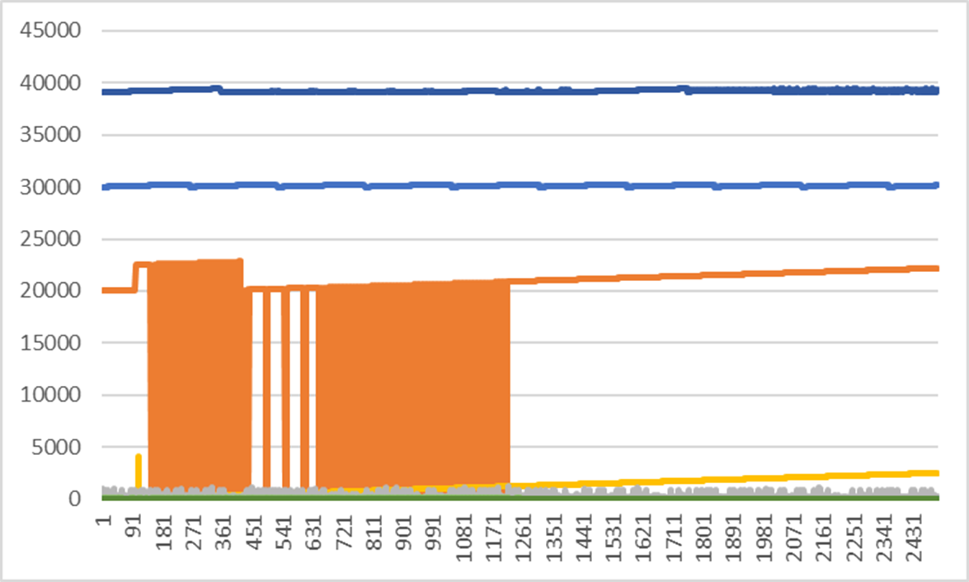
PIVOT TABLES

Relationship tables (Many to on
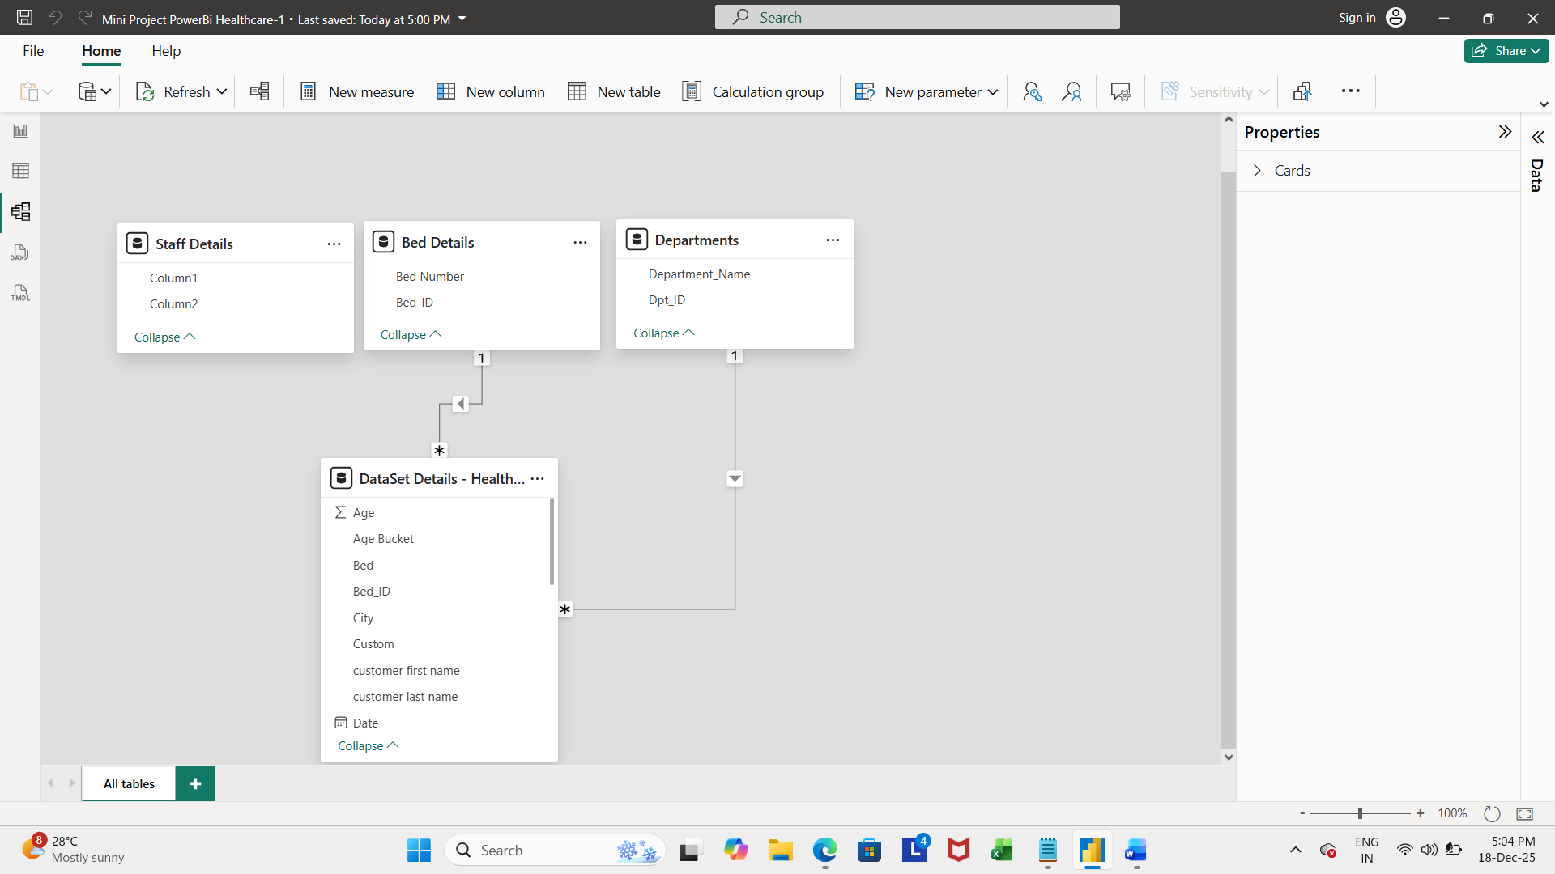
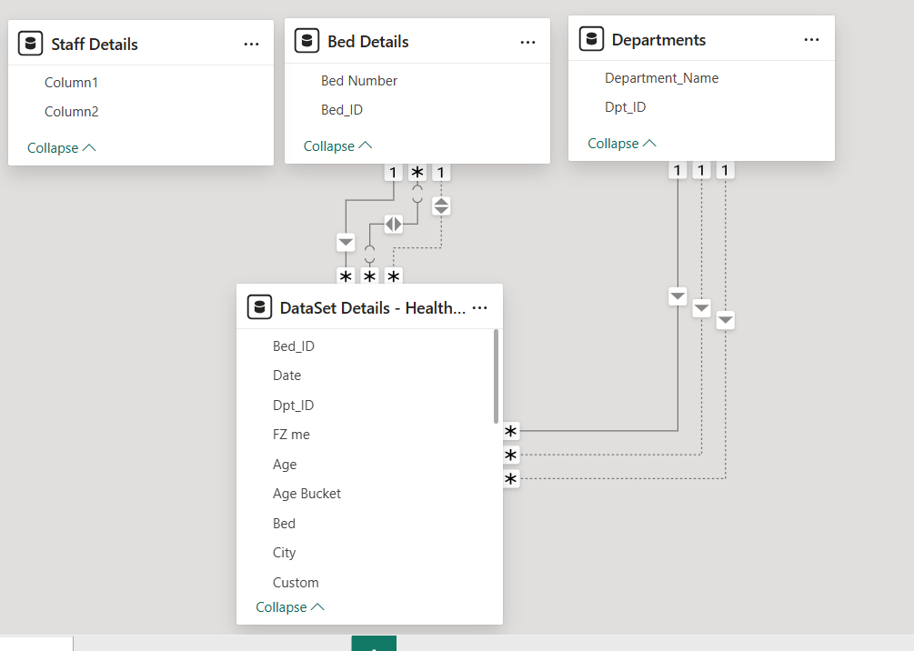
DATA MODELING ONE TO MANY RELATIONSHIPS AND MANY TO ONE RELATIONSHIP TABLES

